Action Plan
EnerSys |  | GLOBAL QUALITY MANAGEMENT SYSTEM |  |  |  |  | PROPRIETARY DOCUMENT
DOCUMENT NUMBER: |  | QMS-GFORM-012 |  |  |  |  | REVISION: AD SUPERCEDES: AC CHANGE NO: 1002440
DOCUMENT TITLE: |  | SUPPLIER 8D REPORT
Action Plan - Task Assignment
N° | Action | Task | WHO | Start date | Due date | Duration | Done | RESULTS
1 |  |  |  |  |  | 0 | In Progress
2 |  |  |  |  |  | 0 | In Progress
3 |  |  |  |  |  | 0 | In Progress
4 |  |  |  |  |  | 0 | In Progress
5 |  |  |  |  |  | 0 | In Progress
6 |  |  |  |  |  | 0 | In Progress
7 |  |  |  |  |  | 0 | In Progress
8 |  |  |  |  |  | 0 | In Progress
9 |  |  |  |  |  | 0 | In Progress
12 |  |  |  |  |  | 0 | In Progress
13 |  |  |  |  |  | 0 | In Progress
14 |  |  |  |  |  | 0 | In Progress
15 |  |  |  |  |  | 0 | In Progress
16 |  |  |  |  |  | 0 | In Progress
17 |  |  |  |  |  | 0 | In Progress
18 |  |  |  |  |  | 0 | In Progress
19 |  |  |  |  |  | 0 | In Progress
20 |  |  |  |  |  | 0 | In Progress

 | Start date | Duration
 |  | 0
 |  | 0
 |  | 0
 |  | 0
 |  | 0
 |  | 0
 |  | 0
 |  | 0
 |  | 0
 |  | 0
 |  | 0
 |  | 0
 |  | 0
 |  | 0
 |  | 0
 |  | 0
 |  | 0
 |  | 0

Instruction
EnerSys | GLOBAL QUALITY MANAGEMENT SYSTEM | PROPRIETARY DOCUMENT
DOCUMENT NUMBER: | QMS-GFORM-012 | REVISION: AD SUPERCEDES: AC CHANGE NO: 1002440
DOCUMENT TITLE: | SUPPLIER 8D REPORT
D1/D2
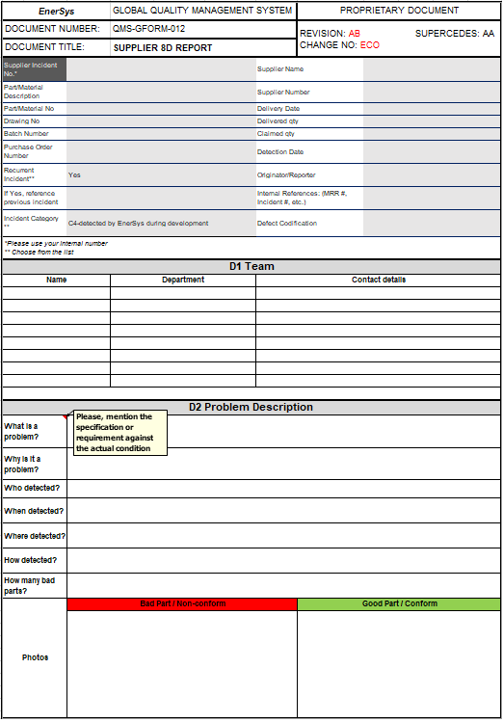
What is a problem? - Description of the problem
- Traceability elements of the defective parts
- Specification or requirement against the actual condition

Provide product references

Why is it a problem?
In this section we need to understand what the impact of the problem is for the assembly site and/or for the final Customer. Those elements must be quantified (data)
- What is the Customer effect of the defect?
- Impact on the logistic management of the part
- Impact on the handling of the part
- Impact on the assembly of the part
- Technical impact in the application
- Impact on the product reliability
- Impact in term of safety - regulation
- How important is the problem?

This fields should be filled by team members that will be required in the activities (should be involved person or process owner who made mistake).

When detected?
The way and the circumstances the defect has been detected is key to understand why the Supplier process did not detect the defect internally
- Process parameters, environmental conditions such as light, temperature, ambient noise…

Where detected?
- Plant name
- Assembly line name
- Step of the process of assembly
Who detected (name of operator)?
To know who has detected the defect is key to have the possibility to ask for more precise data.
- Name of the person
- Function of the person, qualification

How detected?
- Operation done to detect the defect
- Reference to the work instruction when relevant
- Type of tool or machine used to detect the defect
- Process parameters, master samples used
- Environmental conditions such as light, temperature, ambient noise…
Good part
Insert a picture or a drawing of a good part or component, in the same position, same distance, same angle, same light, showing clearly what is the right situation (including the same measurement if relevant)

Bad part
Insert a picture or a drawing of the bad part or component, showing clearly what is the defect, where it is located on the part, and what is the difference with a good one (including measurement if relevant)
How many bad parts?
- Precise how many bad parts have been found defective at the time of detection?

D3
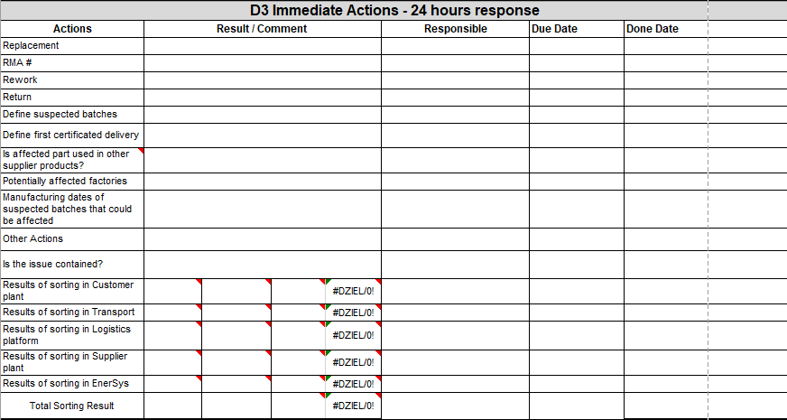
Immediate actions
All actions which was taken in short time (24h response) to secure customer

Results of sorting activity (customer, transport, Logistics platform, supplier, EnerSys)

The analysis is covering all factors: Machine, Method, Man, Material, Measurement, Environment, Systemic for BOTH: OCCURENCE and DETECTION
- MATERIAL: Material or components used for manufacturing, includes material for the product itself but also material used for the process (example: oil, chemical product to do an operation)
- METHOD: Manufacturing and delivery process of the product including method of work (work instructions)
- MAN: Human factor involved in the process (example: trainings, validation, seniority...)
- MACHINE: Equipment, production tools, machine, poka-yoke, software...
- MEASUREMENTS: Measurements include physical measurement, automatic sensor readings, and inspections.
- ENVIRONMENT: Environmental factors that are unpredictable and uncontrollable like weather, floods, earthquakes, fire, etc.
- SYSTEMIC: Chalenge/state why the failure could occur/did happen, not predicted (by current QMS system- FMEA/CP/etc)/or not detected/not seen
Please choose which factor/factors had impact on the issue.
D4
Fishbon Analysis sheet- supporting tool for root cause analysis.

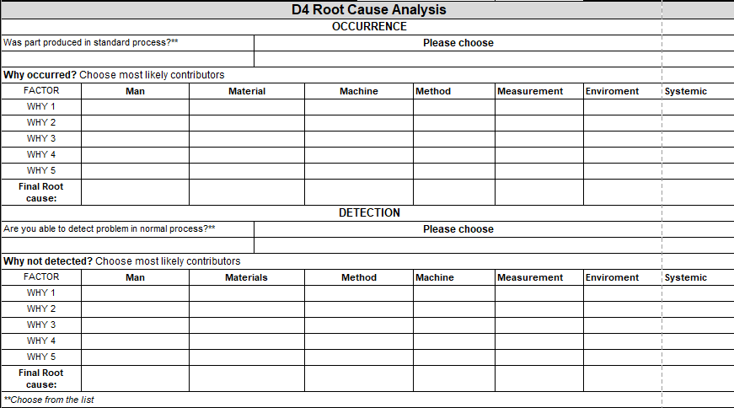

Potential cause
For each potential root cause identified (for chosen factor/factors) 5 why must be done.
5 Why Analysis
1st Why:
Explain "why" the potential cause occurred in a logic way, the link from cause (1st why) to effect (potential cause) must be clear.
2nd Why:
- Same as 1st why, the link from cause (2nd why) to effect (1st why) must be clear.
- Analysis must continue to next whys up to root-causes has been identified. Number of whys depends on the complexity of the process to create the issue.
Final why:
- Must address system point to improve the efficiency of the organization.
- If a why highlights something that cannot be changed, that means your 5 whys direction is wrong, go back to previous why and do the analysis again.

Root cause
From the conclusions of the analysis (5 whys), report the root-cause of the problem needing a correction.
What is the corrective action?

D5

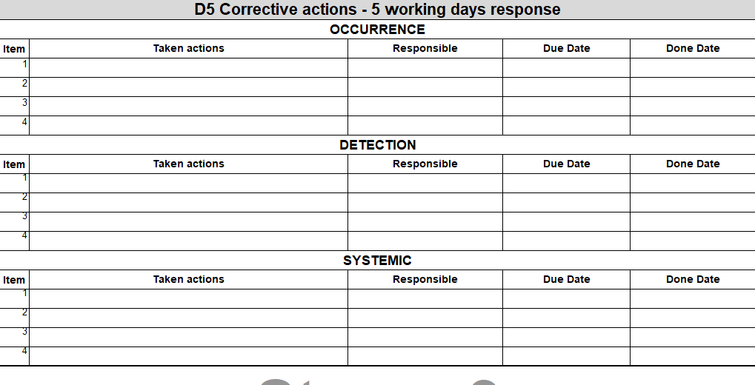
Responsible
Precise the job position and the name of the person in charge of the implementation of the corrective action, only one pilot for one action.

Taken Actions
For ALL: Occurrence, Detection and Systemic Root Causes actions need be taken

D6
Effectiveness of Corrective actions - verification
Verification method should be taken from the list.

D7

Standardization
Document which was updated, changed in result of this claim have to be chosen from the list.

D8

Closure
in this section obligatory is Closure date and person coordinating 8d.

